Sheet1
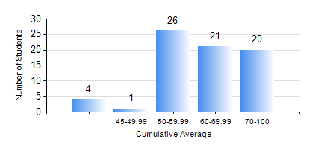
 |  |  | KWAME NKRUMAH UNIVERSITY OF SCIENCE AND TECHNOLOGY, KUMASI Department of Computer Engineering

 |  |  | BSC. BIOMEDICAL ENG.

 |  |  | COMPREHENSIVE RECORD OF EXAMINATION RESULTS

 |  |  | RESULTS OF YEAR 4 FIRST SEMESTER, 2021/2022 ACADEMIC YEAR

 | Sn | Course Code |  | Course Name | Credit Hours | Min. Mark | Max. Mark | Avg. Mark | Std. Dev. | No. Passed | No. Trailed | No. (Df) | No. (I) | No. (I*) | No. Tagged(I,I*,Df) | Total
 | 0. |  |  |  |  |  |  | 0 | 0 | 0 | 0 | 0 | 0 | 0 | 0 | 1
 | 1. | BME 451 |  | MEDICAL IMAGING II | 3 | 40 | 73 | 60 | 7.55 | 71 | 0 | 0 | 0 | 0 | 0 | 71
 | 2. | BME 461 |  | BIOMECHANICS I | 3 | 18 | 93 | 70 | 14.91 | 69 | 2 | 0 | 0 | 0 | 0 | 71
 | 3. | BME 463 |  | BIOMATERIALS II | 3 | 30 | 89 | 59 | 11.56 | 70 | 1 | 0 | 0 | 0 | 0 | 71
 | 4. | BME 471 |  | BIOINSTRUMENTATION II | 3 | 33 | 92 | 66 | 13.08 | 69 | 2 | 0 | 0 | 0 | 0 | 71
 | 5. | BME 497 |  | PROJECT I | 3 | 55 | 89 | 75 | 8.64 | 71 | 0 | 0 | 0 | 0 | 0 | 71
 | 6. | BME 499 |  | VACATION TRAINING | 2 | 55 | 76 | 65 | 4.54 | 70 | 0 | 1 | 0 | 0 | 1 | 71
 | 7. | ME 491 |  | ENGINEERING ECONOMICS AND MANAGEMENT | 2 | 29 | 79 | 60 | 11.18 | 69 | 2 | 0 | 0 | 0 | 0 | 71

